USR_Global_parameters
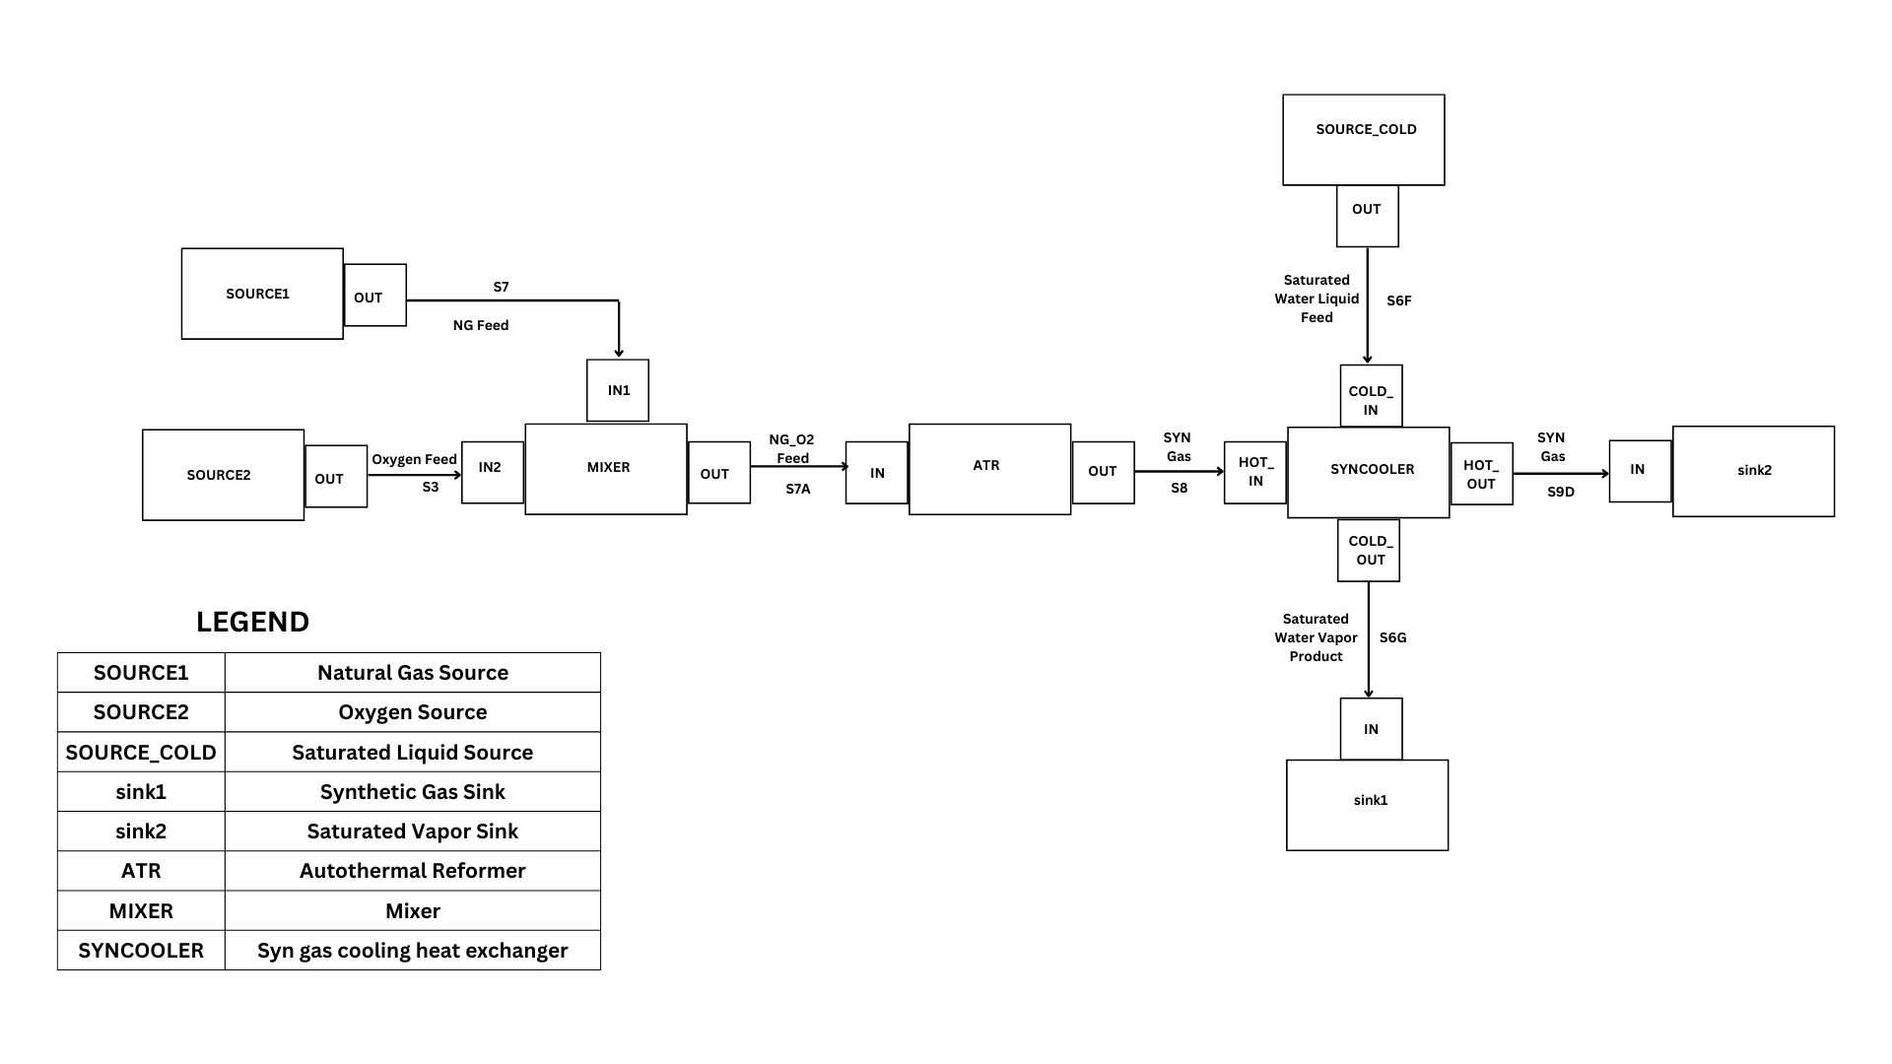
This table specifies the number of time periods and the computational tasks that will be carried out |  | NOTE: For each CALC Task user needs to specify which EQTYPE is to be solved. That specification iis entered in "USR Calc Scope, model, EQTYPE" table. |  |  | NOTE: For each CALC Task user needs to specify which degrees of freedom. That specification is entered in "USR input Time-dependent vars" table.
Equation type for each task is entered in "USR Calc Scope, model, EQTYPE" worksheet.

Domain | Hydrogen Plant
PROJECT NAME | MIXER and ATR
PROJECT DESCRIPTION | small test example for connected MIXER and ATR

Task Configuartion |  | Network Configuration |  | NOTE: For each Project a ROOTNET exist which is the main network. User can define subnets as long as the parent network is a valid network.
Task | NTP | Parent Net | Net Name
SIM1 | 1 | EXAMPLE_N
 |  | EXAMPLE_N | FIREDH_N
 |  | EXAMPLE_N | POWER_N
 |  |  |  | NOTE: Network Names should be unique

